Sheet1
 |  |  |  | Forecasting Techniques

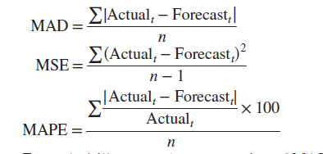

 |  |  |  |  |  |  |  |  |  |  |  |  |  | MAD=Abs(error)/N

 |  |  |  |  |  |  |  |  |  |  |  |  |  | MSE=[(ERROR)^2]/(N-1)

 |  |  |  |  |  |  |  |  |  |  |  |  |  | MAPE=(Round((Abs(Error)/Actual)*100))/N

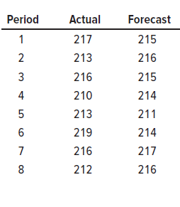
 |  |  |  |  |  |  |  |  | period | Actual |  |  |  | Forecast | A-F(Error) | Abs(Error) | Error^2 | (Abs(Error)/Actual)*100 | Round((Abs(Error)/Actual)*100)
 |  |  |  |  |  |  |  |  | 1 | 217 |  |  |  | 215 | 2 | 2 | 4 | 0.92165898618 | 0.93
 |  |  |  |  |  |  |  |  | 2 | 213 |  |  |  | 216 | -3 | 3 | 9 | 1.4084507042 | 1.41
 |  |  |  |  |  |  |  |  | 3 | 216 |  |  |  | 215 | 1 | 1 | 1 | 0.46296296296 | 0.47
 |  |  |  |  |  |  |  |  | 4 | 210 |  |  |  | 214 | -4 | 4 | 16 | 1.9047619048 | 1.91
 |  |  |  |  |  |  |  |  | 5 | 213 |  |  |  | 211 | 2 | 2 | 4 | 0.93896713615 | 0.94
 |  |  |  |  |  |  |  |  | 6 | 219 |  |  |  | 214 | 5 | 5 | 25 | 2.2831050228 | 2.29
 |  |  |  |  |  |  |  |  | 7 | 216 |  |  |  | 217 | -1 | 1 | 1 | 0.46296296296 | 0.47
 |  |  |  |  |  |  |  |  | 8 | 212 |  |  |  | 216 | -4 | 4 | 16 | 1.8867924528 | 1.89
 |  |  |  |  |  |  |  |  | Total |  |  |  |  |  | -2 | 22 | 76 |  | 10.31
 |  |  |  |  |  |  |  |  | N | 8

 |  |  |  |  |  |  |  |  | MAD | 2.75

 |  |  |  |  |  |  |  |  | MSE | 10.857142857

 |  |  |  |  |  |  |  |  | MAPE | 1.28875

 |  | A naive forecast
 |  | uses a single previous value of a time series as the basis of a forecast. The naive approach can
 |  | be used with a stable series (variations around an average), with seasonal variations, or with
 |  | trend. With a stable series, the last data point becomes the forecast for the next period.

 |  | For data with trend, the forecast is equal to the last value of
 |  | the series plus or minus the difference between the last two values of the series.

 |  | Averaging techniques smooth fluctuations in a time series because the individual highs and
 |  | lows in the data offset each other when they are combined into an average.

 |  | Three techniques for averaging are described in this section:
 |  | 1. Moving average
 |  | 2. Weighted moving average
 |  | 3. Exponential smoothing

 |  | One weakness of the naive method is that the forecast just
 |  | the traces actual data, with a lag of one period; it does not smooth at all.

 |  | A moving average forecast
 |  | uses a number of the most recent actual data values in generating a forecast. The moving
 |  | average forecast can be computed using the following equation:

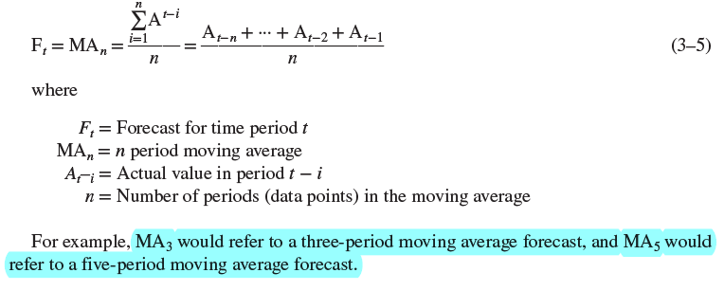

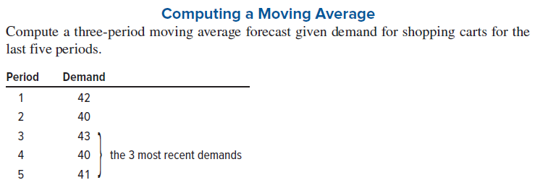

 |  | Period | Demand | F3
 |  | 1 | 42
 |  | 2 | 40
 |  | 3 | 43
 |  | 4 | 40
 |  | 5 | 41
 |  | 6 |  | 41.333333333

 |  | If the actual demand turns out to be 38 then the forecast for period 7 will be as follows:

 |  | Period | Demand
 |  | 1 | 42
 |  | 2 | 40
 |  | 3 | 43
 |  | 4 | 40
 |  | 5 | 41
 |  | 6 | 38 | 41.33
 |  | 7 |  | 39.666666667

 |  | A weighted average is similar to a moving average, except
 |  | that it typically assigns more weight to the most recent values in a time series.
 |  | For instance,
 |  | the most recent value might be assigned a weight of .40, the next most recent value a weight
 |  | of .30, the next after that a weight of .20, and the next after that a weight of .10.

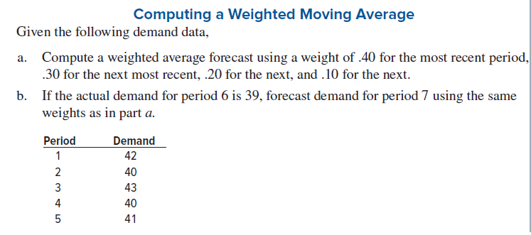

 |  |  | Period | Demand | WMA
 |  |  | 1 | 42
 |  |  | 2 | 40
 |  |  | 3 | 43
 |  |  | 4 | 40
 |  |  | 5 | 41
 |  |  |  |  | 41

 |  |  | If actual demand for period 6 is 39,then forecast for period 7 will be

 |  |  | Period | Demand
 |  |  | 1 | 42
 |  |  | 2 | 40
 |  |  | 3 | 43
 |  |  | 4 | 40
 |  |  | 5 | 41
 |  |  | 6 | 39
 |  |  | 7 |  | 40.2

 |  | The advantage of a weighted average over a simple moving average is that the weighted
 |  | average is more reflective of the most recent occurrences. However, the choice of weights
 |  | is somewhat arbitrary and generally involves the use of trial and error to find a suitable
 |  | weighting scheme.

 |  | Exponential smoothing is a sophisticated weighted averaging
 |  | method that is still relatively easy to use and understand. Each new forecast is based on the
 |  | previous forecast plus a percentage of the difference between that forecast and the actual value
 |  | of the series at that point
 |  | Next forecast = Previous forecast + a(Actual – Previous forecast)
 |  | where (Actual – Previous forecast) represents the forecast error and a is a percentage of the
 |  | error.
 |  | a=alpha

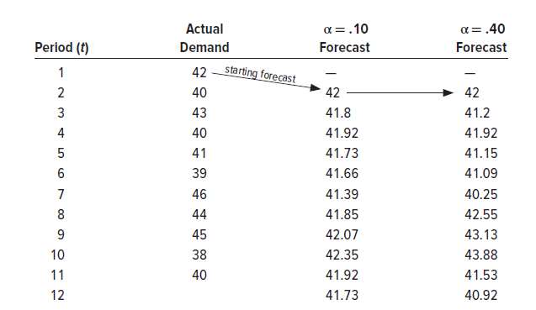

Forecast
 | Demand | Forecast alpha 0.10 | Forecast alpha 0.40
 | 42
 | 40 | 42 | 42
 | 43 | 41.8 | 41.2
 | 40 | 41.92 | 42.28
 | 41 | 41.728 | 41.152
 | 39 | 41.6552 | 41.4368
 | 46 | 41.38968 | 40.59312
 | 44 | 41.850712 | 43.233808
 | 45 | 42.0656408 | 42.7104272
 | 38 | 42.35907672 | 43.23938448
 | 40 | 41.923169048 | 40.615446032
 |  | 41.730852143 | 41.153901429
 |  |  |  |  | alpha=0.10 |  |  |  | alpha=0.40
 |  |  | Period | Demand | Forecast |  |  |  | Forecast
 |  |  | 1 | 42
 |  |  | 2 | 40 | 42 |  |  |  | 42
 |  |  | 3 | 43 | 41.8 |  |  |  | 41.2
 |  |  | 4 | 40 | 41.92 |  |  |  | 42.28
 |  |  | 5 | 41 | 41.728 |  |  |  | 41.152
 |  |  | 6 | 39 | 41.6552 |  |  |  | 41.4368
 |  |  | 7 | 46 | 41.38968 |  |  |  | 40.59312
 |  |  | 8 | 44 | 41.850712 |  |  |  | 43.233808
 |  |  | 9 | 45 | 42.0656408 |  |  |  | 42.7104272
 |  |  | 10 | 38 | 42.35907672 |  |  |  | 43.23938448
 |  |  | 11 | 40 | 41.923169048 |  |  |  | 40.615446032
 |  |  | 12 |  | 41.730852143 |  |  |  | 41.153901429

 |  | Low values of a are
 |  | used when the underlying average tends to be stable;
 |  | higher values are used when the underlying average is susceptible to change.

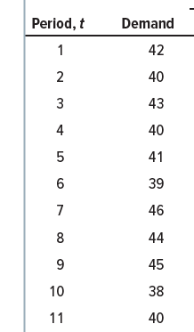

 |  |  |  |  |  |  |  |  |  |  |  |  |  | alpha =0.1
 |  |  |  | Naïve |  |  |  |  | Two period MA |  |  |  |  | Exponential smoothing
 |  | Period | Demand | Forecast | Error | Abs(error) | Abs(error)^2 | (Abs(Error)/Actual)*100 | Forecast | Error | Abs(error) | Abs(error)^2 | (Abs(Error)/Actual)*100 | Forecast | Error | Abs(error) | Abs(error)^2 | (Abs(Error)/Actual)*100
 |  | 1 | 42
 |  | 2 | 40 | 42 | -2 | 2 | 4 |  |  |  |  |  |  | 42 | -2
 |  | 3 | 43 | 40 | 3 | 3 | 9 | 6.976744186 | 41 | 2 | 2 | 4 | 4.6511627907 | 41.8 | 1.2 | 1.2 | 1.44 | 2.7906976744
 |  | 4 | 40 | 43 | -3 | 3 | 9 | 7.5 | 41.5 | -1.5 | 1.5 | 2.25 | 3.75 | 41.92 | -1.92 | 1.92 | 3.6864 | 4.8
 |  | 5 | 41 | 40 | 1 | 1 | 1 | 2.4390243902 | 41.5 | -0.5 | 0.5 | 0.25 | 1.2195121951 | 41.728 | -0.728 | 0.728 | 0.529984 | 1.7756097561
 |  | 6 | 39 | 41 | -2 | 2 | 4 | 5.1282051282 | 40.5 | -1.5 | 1.5 | 2.25 | 3.8461538462 | 41.6552 | -2.6552 | 2.6552 | 7.05008704 | 6.8082051282
 |  | 7 | 46 | 39 | 7 | 7 | 49 | 15.217391304 | 40 | 6 | 6 | 36 | 13.043478261 | 41.38968 | 4.61032 | 4.61032 | 21.255050502 | 10.022434783
 |  | 8 | 44 | 46 | -2 | 2 | 4 | 4.5454545455 | 42.5 | 1.5 | 1.5 | 2.25 | 3.4090909091 | 41.850712 | 2.149288 | 2.149288 | 4.6194389069 | 4.8847454545
 |  | 9 | 45 | 44 | 1 | 1 | 1 | 2.2222222222 | 45 | 0 | 0 | 0 | 0 | 42.0656408 | 2.9343592 | 2.9343592 | 8.6104639146 | 6.5207982222
 |  | 10 | 38 | 45 | -7 | 7 | 49 | 18.421052632 | 44.5 | -6.5 | 6.5 | 42.25 | 17.105263158 | 42.35907672 | -4.35907672 | 4.35907672 | 19.001549851 | 11.471254526
 |  | 11 | 40 | 38 | 2 | 2 | 4 | 5 | 41.5 | -1.5 | 1.5 | 2.25 | 3.75 | 41.923169048 | -1.923169048 | 1.923169048 | 3.6985791872 | 4.80792262
 |  |  |  |  |  | 28 | 130 | 67.450094408 |  |  | 21 | 91.5 | 50.77466116 |  |  | 22.479412968 | 69.891553402 | 53.881668164
 |  |  | N | 9 |  |  |  |  |  |  | N | 9 |  |  |  | N | 9
 |  |  | MAD | 3.1111111111 |  |  |  |  |  |  | MAD | 2.3333333333 |  |  |  | MAD | 2.497712552
 |  |  | MSE | 16.25 |  |  |  |  |  |  | MSE | 11.4375 |  |  |  | MSE | 8.7364441752
 |  |  | MAPE | 7.4944549342 |  |  |  |  |  |  | MAPE | 5.6416290178 |  |  |  | MAPE | 5.9868520183

 |  | If lowest MAD is the criterion, the two-period moving average forecast has the greatest accuracy;
 |  | if lowest MSE is the criterion, exponential smoothing works best; and if lowest MAPE |  |  |  |  |  |  |  | MAD=Abs(error)/N
 |  | is the criterion, the two-period moving average method is again best.
 |  |  |  |  |  |  |  |  |  | MSE=[(ERROR)^2]/(N-1)

 |  |  |  |  |  |  |  |  |  | MAPE=(Round((Abs(Error)/Actual)*100))/N

 | A linear trend equation has the form
 | Ft=a+bt
 | where
 | Ft = Forecast for period t
 | a = Value of Ft at t = 0, which is the y intercept
 | b = Slope of the line
 | t = Specified number of time periods from t = 0

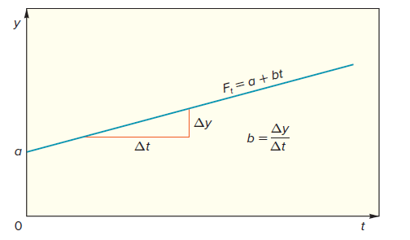

 | For example, consider the trend equation Ft = 45 + 5t. The value of Ft when t = 0 is 45,
 | and the slope of the line is 5, which means that, on the average, the value of Ft will increase
 | by five units for each time period. If t = 10, the forecast, Ft, is 45 + 5(10) = 95 units. The
 | equation can be plotted by finding two points on the line. One can be found by substituting
 | some value of t into the equation (e.g., t = 10) and then solving for Ft. The other point is a
 | (i.e., Ft at t = 0). Plotting those two points and drawing a line through them yields a graph of
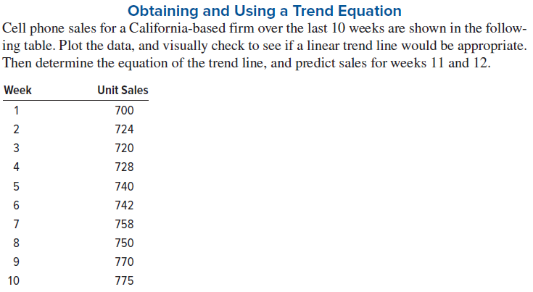
 | the linear trend line.
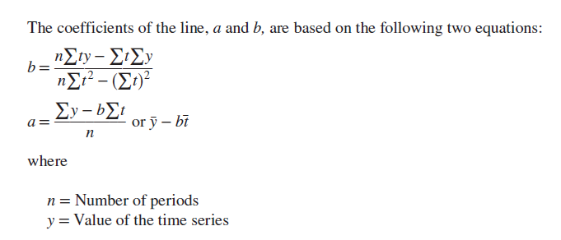

 | week | unit sales
 | 1 | 700
 | 2 | 724
 | 3 | 720
 | 4 | 728
 | 5 | 740
 | 6 | 742
 | 7 | 758
 | 8 | 750
 | 9 | 770
 | 10 | 775

 | Class lecture lessons

 |  |  |  | 3 period simple moving avg | Weighted moving avg: w1=0.5,w2=0.3,w3=0.2
 | Period | Actual demand | Naïve Forecast
Jan | 1 | 65
Feb | 2 | 65 | 65
Mar | 3 | 58 | 65
Apr | 4 | 59 | 58 | 63 | 62
May | 5 | 61 | 59 | 61 | 60
Jun | 6 | 51 | 61 | 60 | 60
Jul | 7 | 61 | 51 | 57 | 56
Aug | 8 | 52 | 61 | 58 | 58
Sep | 9 | 57 | 52 | 55 | 55
Oct | 10 | 51 | 57 | 57 | 57
Nov | 11 | 65 | 51 | 54 | 53
Dec | 12 | 64 | 65 | 58 | 60
Jan |  |  | 64 | 60 | 62
Feb
Actual demand
Demand vs moving avg forecast

 |  | Simple exponential smoothing |  | F(t+1)= alfa*D(t)+(1-alfa)*F(t) |  |  |  | alfa | 1-alfa
 |  | For period 1 we use avg of all the demand |  |  |  |  |  | 0.2 | 0.8
 | Period | Actual Demand | Forecast(0.2) | Forecast(0.8) |  |  |  | 0.8 | 0.2
 | 1 | 42 | 42 | 42
 | 2 | 40 | 42 | 42
 | 3 | 43 | 42 | 41
 | 4 | 40 | 43 | 43
 | 5 | 41 | 43 | 41
 | 6 | 39 | 43 | 41
 | 7 | 46 | 43 | 40
 | 8 | 44 | 44 | 45
 | 9 | 45 | 44 | 45
 | 10 | 38 | 45 | 45
 | 11 | 40 | 44 | 40
 | 12 |  | 44 | 40

 |  |  |  | alfa | 0.2
 | Year | Quarter | Period | Demand | Simple exponential smooting ; alfa=0.2
 | 2018 | 1 | 1 | 540 | 603
 | 2018 | 2 | 2 | 522 | 590.4
 | 2018 | 3 | 3 | 515 | 576.72
 | 2018 | 4 | 4 | 674 | 564.376
 | 2019 | 1 | 5 | 574 | 586.3008
 | 2019 | 2 | 6 | 569 | 583.84064
 | 2019 | 3 | 7 | 616 | 580.872512
 | 2019 | 4 | 8 | 712 | 587.8980096
 | 2020 | 1 | 9 | 550 | 612.71840768
 | 2020 | 2 | 10 | 550 | 600.17472614
 | 2020 | 3 | 11 | 629 | 590.13978092
 | 2020 | 4 | 12 | 785 | 597.91182473
 |  |  |  |  | 635.32945979
 |  |  | Avg demand | 603

Demand
Simple exponential smooting
 | 540 | 603
 | 522 | 590.4
 | 515 | 576.72
 | 674 | 564.376
 | 574 | 586.3008
 | 569 | 583.84064
 | 616 | 580.872512
 | 712 | 587.8980096
 | 550 | 612.71840768
 | 550 | 600.17472614
 | 629 | 590.13978092
 | 785 | 597.91182473
 |  | 635.32945979

 | Looking at this chart we can see it has seasonality and trend. We need to treat the seasonality component so that it has only level component.
 | when we use simple exponential smoothing we can clearly see that the forecast is not able to catch up with the deamand.There is a high lag.

 | we need to deseasonalize the demand.

 | How to deseasonize the data set. In the absence of seasonality what would be my demand?

 |  | Quarter | Demand
 |  | 2018 Q1 | 540
 |  | 2019 Q1 | 574
 |  | 2020 Q1 | 550
 |  | Avg Q1 | 555

 |  | Sasonality index of Q1 | 0.92039800995 | (Average of Q1/Avg Demand)

 |  | 2018 Q2 | 522 |  | 2018 Q3 | 515 |  | 2018 Q4 | 674
 |  | 2019 Q2 | 569 |  | 2019 Q3 | 616 |  | 2019 Q4 | 712
 |  | 2020 Q2 | 550 |  | 2020 Q3 | 629 |  | 2020 Q4 | 785

 |  | Avg Q2 | 547 |  | Avg Q3 | 587 |  | Avg of Q4 | 724

 |  | SI of Q2 | 0.90713101161 |  | SI of Q3 | 0.97346600332 |  | SI of Q4 | 1.2006633499

 |  | Quarter | SI(Round to 2 dec)
 |  | 1 | 0.92
 |  | 2 | 0.9
 |  | 3 | 0.97
 |  | 4 | 1.2
 |  |  |  |  |  |  | alfa | 0.2 | Check with different alfa values to get better SES
 |  | Year | Quarter | Period | Demand | Desasonalized demand data ( demand /SI) | SES, | Actual( Final Demand) SES* SI
 |  | 2018 | 1 | 1 | 540 | 587 | 606 | 558
 |  | 2018 | 2 | 2 | 522 | 580 | 603 | 543
 |  | 2018 | 3 | 3 | 515 | 531 | 599 | 582
 |  | 2018 | 4 | 4 | 674 | 562 | 586 | 704
 |  | 2019 | 1 | 5 | 574 | 624 | 582 | 536
 |  | 2019 | 2 | 6 | 569 | 633 | 591 | 532
 |  | 2019 | 3 | 7 | 616 | 636 | 600 | 582
 |  | 2019 | 4 | 8 | 712 | 594 | 608 | 730
 |  | 2020 | 1 | 9 | 550 | 598 | 606 | 558
 |  | 2020 | 2 | 10 | 550 | 612 | 605 | 545
 |  | 2020 | 3 | 11 | 629 | 649 | 607 | 589
 |  | 2020 | 4 | 12 | 785 | 655 | 616 | 740

 |  | To check the result of deseasoanlized demand let us plot and see if the peaks are smoothened.
 |  | As seen from the plot the forecast is now much smoother. Compare it with Simple exponential smoothing chart as well to understand the difference.
 |  | Now let us apply simple exponential smoothing (SES) to deseasoanlized demand data.

Demand Vs Desasonalized demand
Demand vs SES of deaseasoanlized demand

 |  | As seen the SES gives a much flatter plot. The gap observed is the trend gap.
 |  | now we can forecast the actual demand.
 |  | Final demand forecast = SES * SI.
 |  | lets check the forecast chart.
DEmand Vs Final Forecast

 | We finished 2 models..
 | 1. only level and 2. level + seasonality.. Now we need to see level + trend..

 | Trend corrected smoothing ( Holt's Model) |  |  | This technique takes trend into considereation.

